Qamar 2401a
 | Seismometer calibration worksheet adapted from Tony Qamar

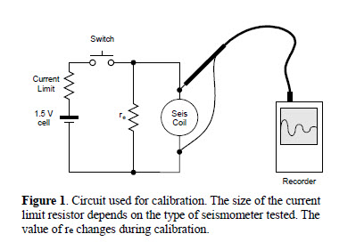
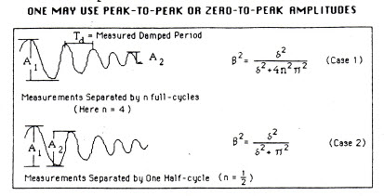

Basic Geophone calibration procedure, based on Pat McChesney's Notes on Tony Qamar's technique
The goal of this procedure is to calculate the S and T impedance-matching resistors on the McVCO L-pad, to give the desired geophone Motor Constant (G) and damping (B)
1) Choose the desired G. For an L-4, the USGS chooses G=100V/m/sec
2) Choose the desired B. The USGS chooses B=0.8
3) Fill out Table 1 with values from the seismometer
4)

 |  |  |  |  |  |  |  |  | L4c six-pin connector
 |  |  |  |  |  |  |  |  | pin | color | function
 |  |  |  |  | Table 1 |  |  |  | A | black | coil
 |  |  |  |  |  |  |  |  | B | red | coil | also case when L4 is on its top or at one position on its side
serial number |  |  |  |  | 2401 |  |  |  | C | green | cal coil
Case to coil resistance |  |  |  |  |  |  |  |  | D | white | cal coil
Seismometer mass(kg) (read from seismometer tag) |  |  |  | M | 0.961 | (mass)
Coil resistance (measure) |  |  |  | rs | 5600 | (coilRes) |  |  | H | shield |  | not connected to case
Measured Damped Period (measure with re open) |  |  |  | Td | 1.1
Choose Ge, the Effective Motor Constant (V/m/sec) |  |  |  | Ge | 100 | (Ge)
Determine Ramp from VCO schematics |  |  |  | Ramp = | 10,000 | (Ramp)
Choose desired damping, B |  |  |  | desired B= | 0.8 | (desiredB)

 |  |  |  |  | e=A1/A2 | del=ln(e) | B2=del2/(del2+4n2pi2) | Tn=Td*sqrt(1-B02) | gamma=(rs+re)*(B-B0) |  |  | G=sqrt(4*pi*mass*gamma/Tn)
 |  | volts | volts
 | re | A1 | A2 | n | e | del | B (B0 if re is open) | Natural Free Period, Tn (NatlFreePer) | gamma |  |  | G
 | 1,000,000,000 | 2.9 | 1.16 | 0.5 | 2.50 | 0.92 | 0.28 | 1.06 | 0 |  |  | 0

 | 100,000 | 2.6 | 0.83 | 0.5 | 3.13 | 1.14 | 0.34 |  | 6533 |  |  | 273
 | 50,000 | 2.15 | 0.51 | 0.5 | 4.22 | 1.44 | 0.42 |  | 7613 |  |  | 295
 | 33,000 | 1.94 | 0.38 | 0.5 | 5.11 | 1.63 | 0.46 |  | 6996 |  |  | 283
 | 25,000 | 0.692 | 0.108 | 0.5 | 6.41 | 1.86 | 0.51 |  | 7028 |  |  | 283
 |  |  |  |  |  |  |  |  |  | 7,042 | (GammaAvg) |  | 284 | (G)

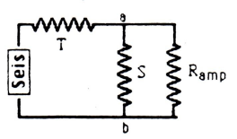

 |  |  |  | calculate S & T resistors for desired damping and motor constant

 |  |  |  | re=(gammaavg/(B-B0)) - rs |  | re= | 7,984 | (Re)

 |  |  |  | rab=(Ge/G)*(re+rs) |  | rab= | 4,789 | (Rab)

 |  |  |  | S=1/((1/rab)-(1/ramp)) |  | S= | 9,189 |  | 7500

 |  |  |  | T=re-rab |  | T= | 3,196 |  | 2200

